Newly Build Coal
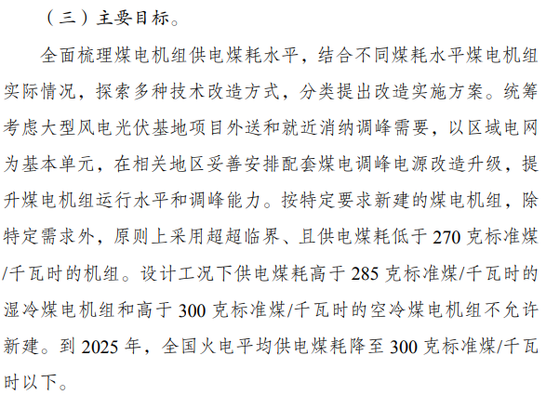
National Techonology Energy Efficiency Standards

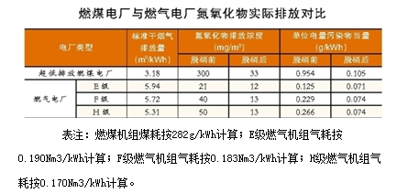
Newly Built Coal Power Plants
270 | gce/kWh | 7500126.1782 | BTU/MWh

Newly Built Natural Gas Plants
0.19 | m3/kWh | 5805587.6447 | BTU/MWh
0.182 | m3/kWh | 5561141.8492 | BTU/MWh
0.17 | m3/kWh | 5194473.1558 | BTU/MWh
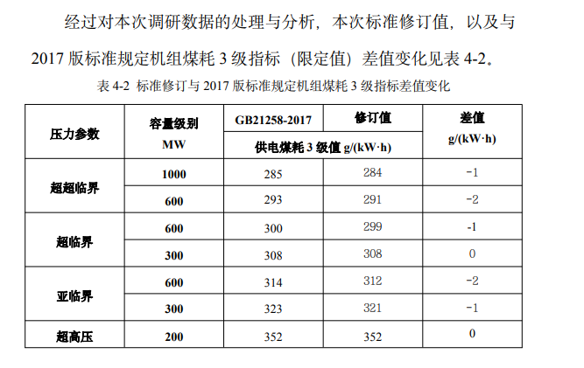

https://www.cec.org.cn/upload/1/editor/1695022207727.pdf

